Tabelle1
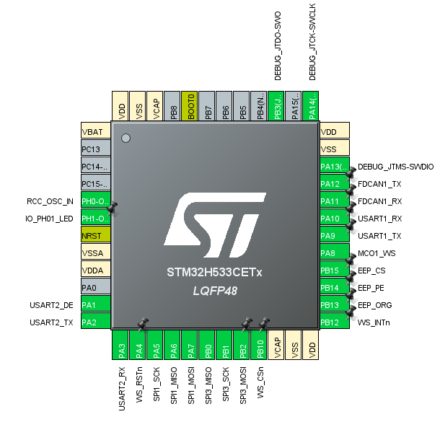
PinNr | MCU Pin | Signal Name | Function | Mode
1 | VBAT |  | PWR
2 | PC13 | IO_PC13 | Spare Pin | Analog In
3 | PC14 | IO_PC14 | Spare Pin | Analog In
4 | PC15 | IO_PC15 | Spare Pin | Analog In
5 | PH0 | MAIN_CLK | HSE_IN
6 | PH1 | LED | Spare Pin with LED | Output
7 | NRST |  | Reset - Active low
8 | VSSA |  | PWR
9 | VDDA |  | PWR
10 | PA0 | IO_PA0 | Spare Pin | Analog In
11 | PA1 | RS485_DE | USART2_DE | AF7
12 | PA2 | RS485_TX | USART2_TX | AF7
13 | PA3 | RS485_RX | USART2_RX | AF7
14 | PA4 | WZ_RST_N | W5500 Reset Active Low | Output
15 | PA5 | WZ_SCK | SPI1_CLK | AF5
16 | PA6 | WZ_MISO | SPI1_MISO | AF5
17 | PA7 | WZ_MOSI | SPI1_MOSI | AF5
18 | PB0 | EEP_MISO | SPI3_MISO | AF5
19 | PB1 | EEP_SCK | SPI3_SCK | AF4
20 | PB2 | EEP_MOSI | SPI3_MOSI | AF7
21 | PB10 | WZ_CS_N | W5500 Chip Select Active Low | Output
22 | VCAP |  | PWR
23 | VSS |  | PWR
24 | VDD |  | PWR
25 | PB12 | WZ_INT_N | W5500 Interrupt In Active Low | Input
26 | PB13 | EEP_ORG | MemOrg: low: x8; high: x16 | Output
27 | PB14 | EEP_PE | Program Enable | Output
28 | PB15 | EEP_CS | 93LC86 Chip Select | Output
29 | PA8 | WZ_CLK | W5500 Main Clock (25MHz) | AF0
30 | PA9 | SER_TX | USART1_TX | AF7
31 | PA10 | SER_RX | USART1_RX | AF7
32 | PA11 | CAN_RX | FDCAN1_RX | AF9
33 | PA12 | CAN_TX | FDCAN1_TX | AF9
34 | PA13 | SWDIO | Serial Wire Debug I/O | AF0
35 | VSS |  | PWR
36 | VDD |  | PWR
37 | PA14 | SWCLK | Serial Wire Debug CLK | AF0
38 | PA15 | IO_PA15 | Spare Pin | Analog In
39 | PB3 | SWO | Serial Wire Debug Data Out | AF0
40 | PB4 | IO_PB04 | Spare Pin | Analog In
41 | PB5 | IO_PB05 | Spare Pin | Analog In
42 | PB6 | IO_PB06 | Spare Pin | Analog In
43 | PB7 | IO_PB07 | Spare Pin | Analog In
44 | BOOT0 |  | BOOT0
45 | PB8 | IO_PB08 | Spare Pin | Analog In
46 | VCAP |  | PWR
47 | VSS |  | PWR
48 | VDD |  | PWR

